Twill shorts
Cotton / Stretch Twill AOP Volley Shorts

In Stock | ETA Status | CT | DueDate | Style | Color | Quantity | WH Name
 | IN WH | 9708333 | 2021-11-01 | D2126-X1305 | BLACK/MULTI2 | 1,398 | PX
 | IN WH | 9708333 | 2021-11-01 | D2126-X2393 | WHITE/PASTE1 | 162 | PX

 |  |  |  |  | Total | 1,560

In stock | ETA Status | CT | DueDate | Style | Color | Quantity | WH Name
 | IN WH | 9708568 | 2021-12-01 | D2126-X3158 | WHITE | 2,280 | PX
 | IN WH | 9708568 | 2021-12-01 | D2126-X3157 | LT BLUE | 4,536 | PX
 | IN WH | 9708568 | 2021-12-01 | D2126-X3156 | LAVENDER | 1,950 | PX
 | IN WH | 9708568 | 2021-12-01 | D2126-X3159 | MINT | 3,474 | PX

 |  |  |  |  | Total | 12,240

In stock | ETA Status | CT | DueDate | Style | Color | Quantity | WH Name
 | IN WH | 9706883 | 2021-01-01 | D2126-X2309 | BK/WT/NENYLW | 23 | PX
 | IN WH | 9708334 | 2021-11-01 | D2126-X2487 | BLACK/MULTI1 | 4,584 | PX

 |  |  |  |  | Total | 4,607

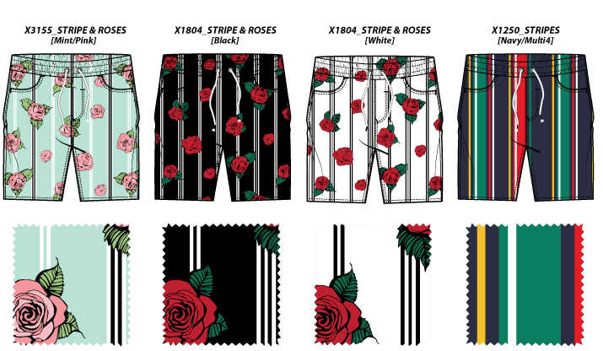
In stock | ETA Status | CT | DueDate | Style | Color | Quantity | WH Name
 | IN WH | 9708763 | 2021-12-15 | D2126-X1250 | NAVY/MULTI 4 | 798 | PX
 | IN WH | 9708763 | 2021-12-15 | D2126-X1804 | BLACK 5 | 3,198 | PX
 | IN WH | 9708763 | 2021-12-15 | D2126-X1804 | WHITE 4 | 5,592 | PX
 | IN WH | 9708763 | 2021-12-15 | D2126-X3155 | MINT/PINK | 3,510 | PX

 |  |  |  |  | Total | 13,098

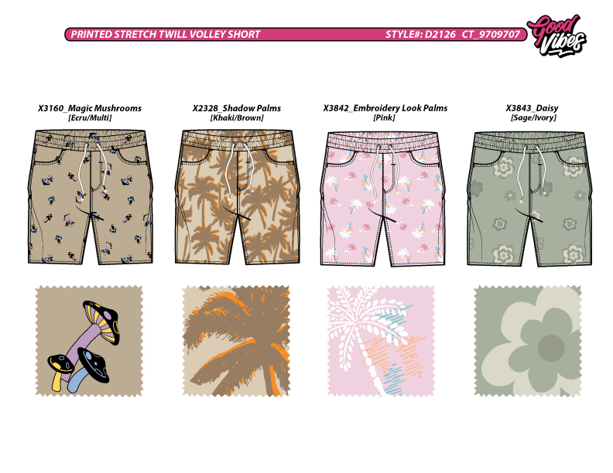
In stock | ETA Status | CT | DueDate | Style | Color | Quantity | WH Name
 | IN WH | 9709707 | 2022-09-20 | D2126-X2328 | KHAKI/BROWN | 12 | P2
 | IN WH | 9709707 | 2022-09-20 | D2126-X3160 | ECRU/MULTI | 4,218 | P2
 | IN WH | 9709707 | 2022-09-20 | D2126-X3842 | PINK | 2,988 | P2
 | IN WH | 9709707 | 2022-09-20 | D2126-X3843 | SAGE/IVORY | 2,202 | P2

 |  |  |  |  | Total | 9,420

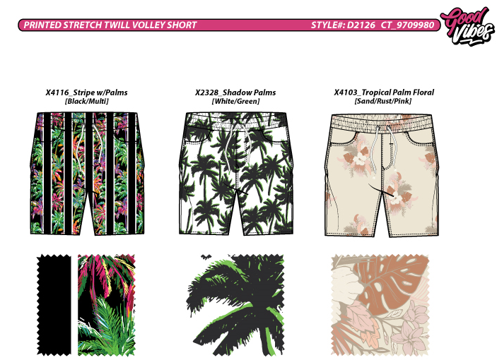
In stock | ETA Status | CT | DueDate | Style | Color | Quantity | WH Name
 | IN WH | 9709980 | 2022-12-30 | D2126-X2328 | WHITE/GREEN | 4,050 | P3
 | IN WH | 9709980 | 2022-12-30 | D2126-X4103 | SAND/RUST/PI | 790 | P3
 | IN WH | 9709980 | 2022-12-30 | D2126-X4116 | BLACK/MULTI | 5,856 | P3

 |  |  |  |  | Total | 10,696

 |  |  |  |  | Grand Total | 38,523

Fleece shorts
Fleece AOP Volley Shorts

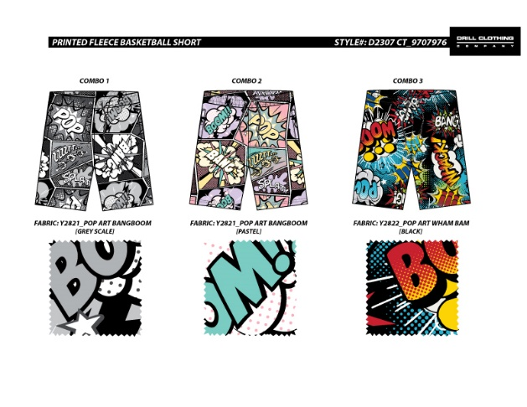
In stock | ETA Status | CT | DueDate | Style | Color | Quantity | WH Name
 | IN WH | 9707976 | 2021-08-15 | D2307-Y2821 | GREY SCALE | 2,700 | PX
 | IN WH | 9707976 | 2021-08-15 | D2307-Y2821 | PASTEL | 6,516 | PX
 | IN WH | 9707976 | 2021-08-15 | D2307-Y2822 | BLACK | 6,516 | PX

 |  |  |  |  | Total | 15,732

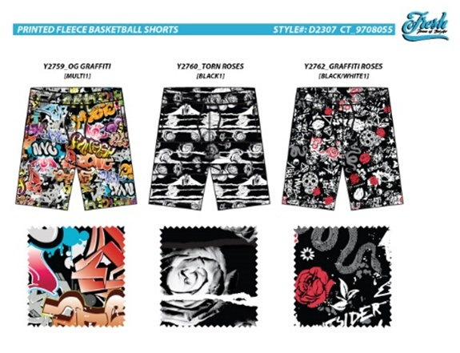
In stock | ETA Status | CT | DueDate | Style | Color | Quantity | WH Name | *
 | IN WH | 9708055 | 2021-09-15 | D2307-Y2759 | MULTI 1 | 168 | PX
 | IN WH | 9708055 | 2021-09-15 | D2307-Y2760 | BLACK 1 | 372 | PX
 | IN WH | 9708055 | 2021-09-15 | D2307-Y2762 | BLACK/WHITE1 | - | PX

 |  |  |  |  | Total | 540

Knit Tek Fleece AOP Volley Shorts

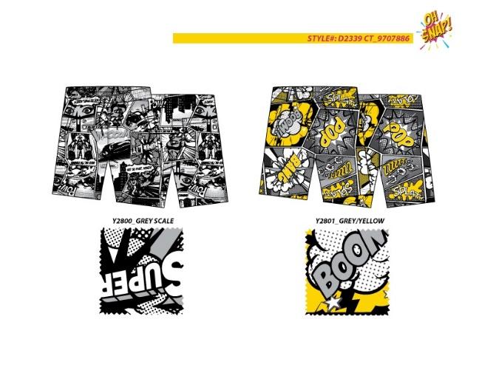
In stock | ETA Status | CT | DueDate | Style | Color | Quantity | WH Name
 | IN WH | 9707886 | 2021-08-01 | D2339-Y2800 | GREY SCALE | 2,316 | PX
 | IN WH | 9707886 | 2021-08-01 | D2339-Y2801 | GREY/YELLOW | 3,342 | PX

 |  |  |  |  | Total | 5,658

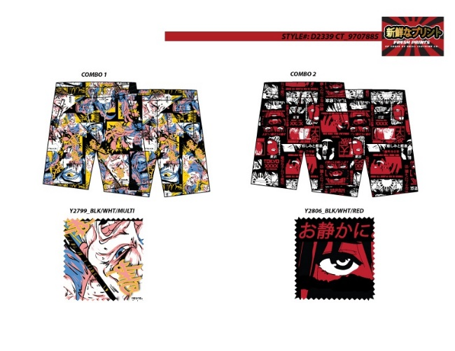
In stock | ETA Status | CT | DueDate | Style | Color | Quantity | WH Name
 | IN WH | 9707885 | 2021-08-01 | D2339-Y2799 | BLK/WHT/MULT | 3,000 | PX
 | IN WH | 9707885 | 2021-08-01 | D2339-Y2806 | BLK/WHT/RED | 3,036 | PX

 |  |  |  |  | Total | 6,036

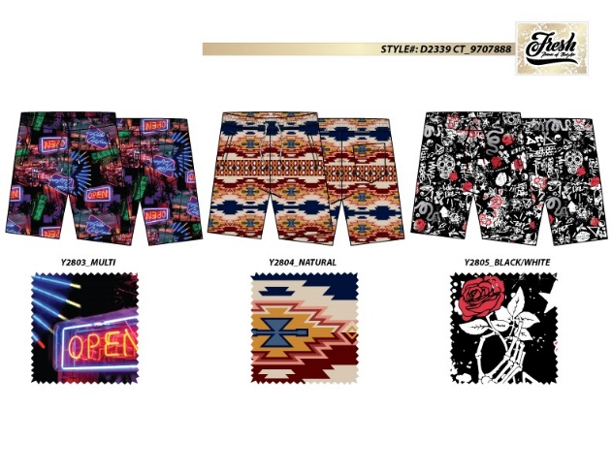
In stock | ETA Status | CT | DueDate | Style | Color | Quantity | WH Name
 | IN WH | 9707888 | 2021-08-01 | D2339-Y2803 | MULTI | 4,686 | PX
 | IN WH | 9707888 | 2021-08-01 | D2339-Y2804 | NATURAL | 1,974 | PX
 | IN WH | 9707888 | 2021-08-01 | D2339-Y2805 | BLACK/WHITE | 2,742 | PX

 |  |  |  |  |  | 9,402

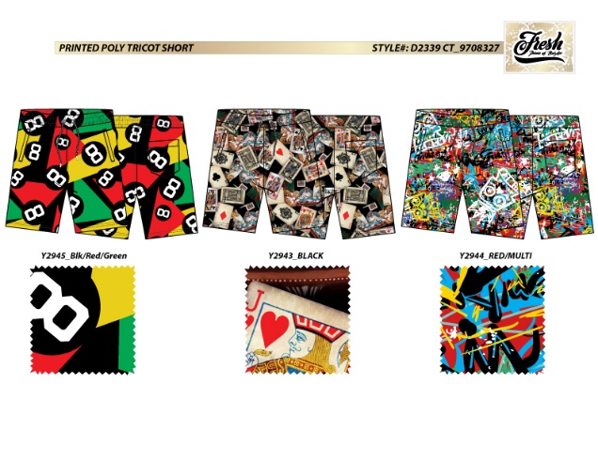
In stock | ETA Status | CT | DueDate | Style | Color | Quantity | WH Name
 | IN WH | 9708327 | 2021-11-01 | D2339-Y2943 | BLACK | 3,264 | PX
 | IN WH | 9708327 | 2021-11-01 | D2339-Y2944 | RED/MULTI | 6,180 | PX
 | IN WH | 9708327 | 2021-11-01 | D2339-Y2945 | BLK/RED/GREN | 3,180 | PX

 |  |  |  |  | Total | 12,624

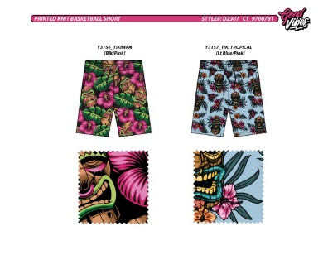
Picture | ETA Status | CT | DueDate | Style | Color | Quantity | WH Name
 | IN WH | 9708781 | 2021-12-15 | D2307-Y3156 | BLACK/PINK | 3,360 | PX
 | IN WH | 9708781 | 2021-12-15 | D2307-Y3157 | LT BLUE/PINK | 3,720 | PX

 |  |  |  |  | Total | 7,080

 |  |  |  |  | Grand Total | 57,072

